Calcualte your 13th milk cheque
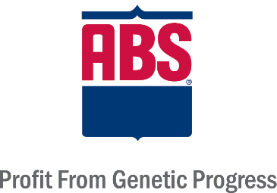
 | '13th Milk Cheque' - Beef on Dairy calculator

 |  | Just fill out your details in all the yellow boxes below
Assumptions:
-90% gender skew.
-All beef calves sold under 42 days
-Average fertility so that number of calvings equals number of cows. (e.g no. heifers entering the herd = no. cows leaving the herd)
-Maintaining herd size
Total number cows (milking and dry): |  | 200
Total number calvings: |  | 200
Replacement rate: |  | 30%
Heifers required: |  | 60

% to breed to sexed dairy semen: |  | 25%
% to breed to conventional dairy semen: |  | 15%
% to breed to beef semen: |  | 60%
 |  | 100%

Dairy heifer calves produced: |  | 60 | Heifer surplus or deficit= | 0
Dairy bull calves produced: |  | 20
Beef calves produced: |  | 120

Beef bull calf value: |  | £220
Beef heifer calf value: |  | £120

Contact Genus Breeding Ltd for more information on 01270 616681, alternatively please email:
Mark.Smith@genusplc.com or Samantha.Wilson@genusplc.com.
Beef calf crop value: |  | £20,400

Select your Beef Advantage level - this is the benefit per calving to a dairy farm.

BEEFADVANTAGE value: |  | £40

Benefit - calving ease, gestation, value and still births |  | £4,800

Your '13th Milk Cheque' could be worth... |  | £25,200

 | PPL | 27

 | Litres equiv | 93,333

 | Per cow/year | 467 |  |  | © Genus Breeding Ltd. 2020.

